CI
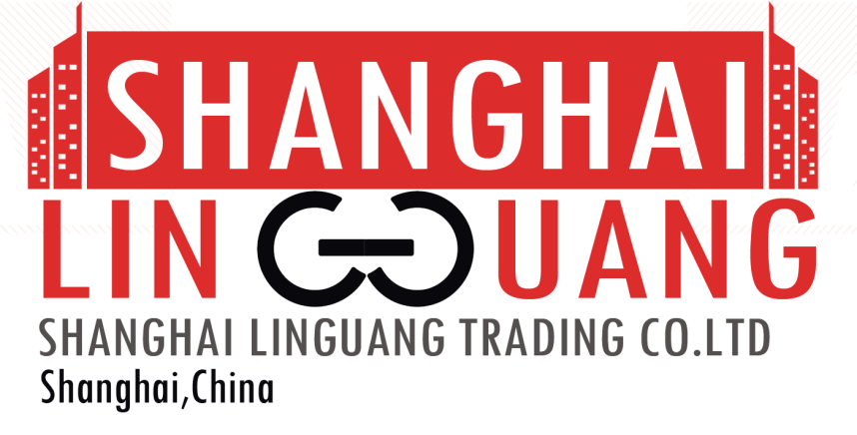
COMMERCIAL INVOICE
EXPORTER:
SHANGHAI LINGUANG TRADING CO., LTD,
Shanghai, China
IMPORTER:
UAB NADY
Frankfurt, Germany
COUNTRY OF MANUFACTURE:
CHINA
Country Of Ultimate Destination:
GERMANY

 |  |  | DATE: 15/04/2018
 |  |  | REFERENCE: GI-CI/8803

 |  |  | Payment Terms: 100% Cash Advance
 |  |  | Shipmet Terms: Ex Factory
 |  |  | Shipmet Mode: By Sea

Item Description | QUANTITY | UM | Unit Price | Amount
BASMATI RICE | 11 | TONS | AED 81,807.91 | AED 899,887.00


Amount in Words: Eight Hundred Ninety Nine Thousand Eight Hundred Eighty Seven Dirhams Only |  |  | Subtotal | AED 899,887.00
 |  |  | Others | AED -
PACKAGING: In Container |  |  | Total Amount | AED 899,887.00
ORIGIN: China

LOADING PORT: Port Of Shanghai, China
DISCHARGE PORT: Port Of Frankfurt, Germany

All other detalis as per our PI No.GC-PI/1207 dated 05/04/2018
We hereby certify that the prices stated in this invoice are current export Market prices for the goods.

PL
PACKING LIST
EXPORTER:
SHANGHAI LINGUANG TRADING CO., LTD,
Shanghai, China
IMPORTER:
UAB NADY
Frankfurt, Germany
COUNTRY OF MANUFACTURE:
CHINA
Country Of Ultimate Destination:
GERMANY

 | DATE: 15/04/2018
 | REFERENCE: GI-PL/8803

 | Payment Terms: 100% Cash Advance
 | Shipmet Terms: Ex Factory
 | Shipmet Mode: By Sea

Item Description | UM | QUANTITY
BASMATI RICE | TONS | 11

PACKAGING: In Container
ORIGIN: China
LOADING PORT: Port Of Shanghai, China
DISCHARGE PORT: Port Of Frankfurt, Germany

All other detalis as per our PI No.GC-PI/1207 dated 05/04/2018
We hereby certify that the prices stated in this invoice are current export Market prices for the goods.

